講義
$$∀$$
2020-02-02
 |  | 逆A為任意的意思
 |  | https://tw.answers.yahoo.com/question/index?qid=20120411000015KK08659
2020-02-03
 | Theorem 1.3 (Properties of Matrix-Vector Products)
 |  | Let A and B be m x n matrices, and let u and v be vectors in Rn. Then

 |  | (e) | If B is an m x n matrix such that Bw = Aw for all w in Rn, then B = A.
 |  |  | Proof | for (e): If B≠A, then (B - A)ej ≠ 0, i.e. Bej≠Aej, for some j
 |  |  |  | 反證法
 |  |  |  | for some w
 |  |  |  |  |  | B |  |  | A
 |  |  |  |  | 1 | 0 | 1 | 1 | 2 | 1 | 1
 |  |  |  |  | 0 | 1 | 0 | 0 | 1 | 0 | 0

 |  |  | https://www.youtube.com/watch?v=kjmrIIcVswk&t=305s

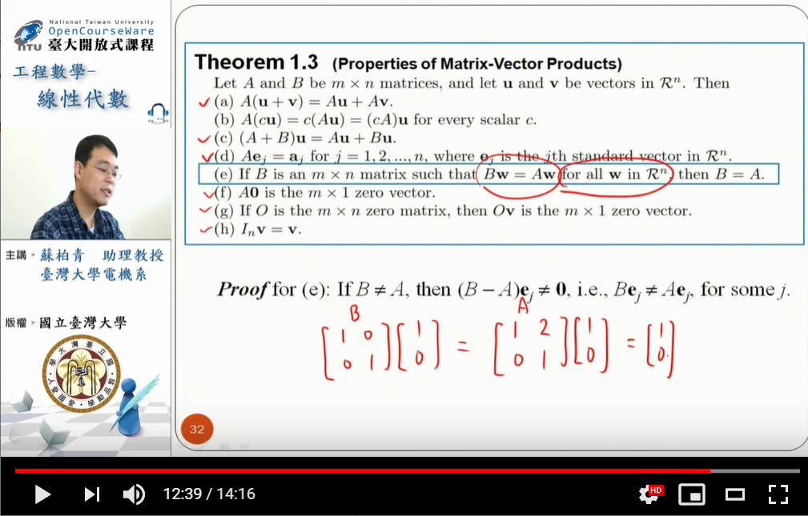

2020-02-19 |  | 線性代數 2-1 單元

